To Do
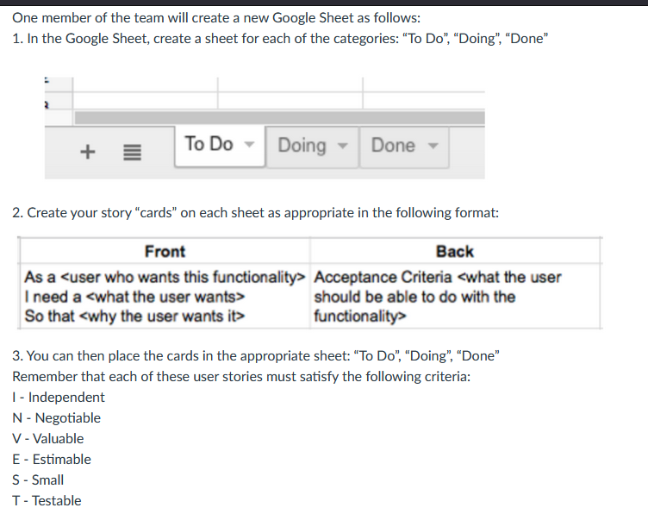
Front | Back
As a user who wants to track fitness data, I need to be able to create an account and login, so that I can access and keep track of my personal fitness progress and data. | Acceptance criteria: The user should be able to create an account and log in, have their data saved, and be able to view their information
Front | Back
As a user who switches devices constantly, I need to be able to logout, So that i can manage multiple accounts, or be able to simply login temporarily onto a new device | Acceptance criteria: The user should be able to logout smoothly, succesfully, no failure
Front | Back
As a user, I need to be able to delete my account, So that i cant restart my account, or so i can stop sharing my information with the app | Acceptance criteria: User should be able to delete their account completely, and the information from the account should be removed from the database
Front | Back
As a user who works out with friends, I need to be able to add and remove friends from my network, so that I can compete with and keep accountable the specific group of friends I choose to work out with. | Acceptance criteria: The user should be able to smoothly find, add, remove, and re-add friends successfully without failure.
Front | Back
As a user, I need to be able to create and join groups with my friends, so that we can participate in weekly challenges together, keep each other accountable, and compete to reach our shared fitness goals. | Acceptance criteria: The user should be able to create and delete groups, invite friends from their connections, accept invitations to join groups, compete in weekly challenges, and view active groups they have joined or created, where the groups remain accessible until the user leaves or the owner removes the group.
Front | Back
As a user, I need to be able to track my calorie intake and calories lost, so that I can ensure I am meeting my calorie goals | Acceptance criteria: The user should be able to input what they ate that day, log exercise, view the total calories they've had, and that information is saved
Front | Back
As a user, I need to be able to track my weight, So that I can ensure I am gaining/losing weight at a consistent rate | Acceptance criteria: The user should be able to input their weight, have it saved, and viewable to the user
Front | Back
As a user, I need to be able to get points from challenges as well as through keeping up with my goals, So that my friends and I can remain accountable and compete, making fitness more fun. | Acceptance criteria: The user should be able to collect points from completeing goals/challenges that will increase their point counts in all of the groups that they are a part of.
Front | Back
As a user, I need to be able to view how many points my friends have, So that I can be competitive with my friends to motivate myself to burn calories | Acceptance criteria: The user should be able to access their friends information such as points and other information, this could be protected to only friends (you can only view points if you have the person added as a friend)
Front | Back
As a user, I need to be able to create goals, So that I can motivate myself to burn calories | Acceptance criteria: The user can have a place where they can create goals, make these entertaining enough to help them keep track of goals
Front | Back
As a user who would use this app frequently, I need to be able to access the app without having to login every single time , So that i can just boot the app and get to work | Acceptance criteria: We should have some type of session handling for the user login, where the person can just access the site and be logged in already

